Bent 1
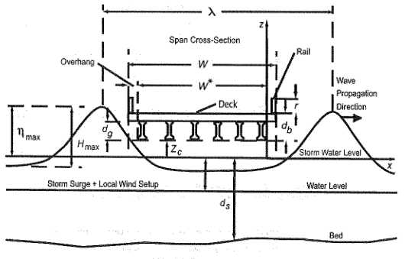
 |  | Low El. | 10 | ft
 |  | Wbdg | 43.25 | ft
 |  | Wave El. | 12.11 | ft
 |  | Storm El. | 9.1 | ft
 |  | Hmaxi | 4.3 | ft
 |  | Hmax | 4.3 | ft
 |  | Zc | 0.9 | ft | * Check Vs. Freeboard
 |  | ηmax | 3.01 | ft
 |  | dg | 3.75 | ft
 |  | dd | 1 | ft
 |  | db | 4.75 | ft
 |  | ds | 3.3 | ft
 |  | r | 3.5 | ft
 |  | λi | 73 | ft
 |  | Tp | 4.1 | s
 |  | λ | 73 | ft

Eqn. 6.1.2.1-1 | satisfied
Eqn. 6.1.2.1-2 | satisfied

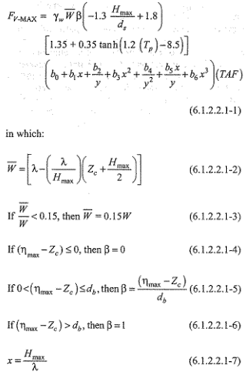

 |  | Wb1 | 21.220930233 | ft

 |  | Wb | 21.220930233 | ft

 |  | β | 0.44421052632

 |  | x1 | 0.058904109589 | ft

 |  | y1 | 0.29069767442 | ft

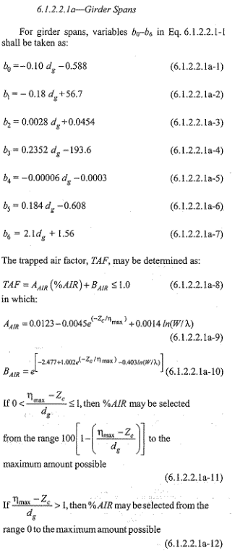

 |  | b0 | -0.963 | ft

 |  | b1 | 56.025 | ft

 |  | b2 | 0.0559 | ft

 |  | b3 | -192.718 | ft

 |  | b4 | -0.000525 | ft

 |  | b5 | 0.082 | ft

 |  | b6 | 9.435 | ft

 |  | TAF | 0.22628586271

 |  | Aair | 0.0082301466531

 |  | Bair | 0.21805571606

 |  | % Air | 100 | max.

 |  | FvMAX | 0.027135127908 | k/ft

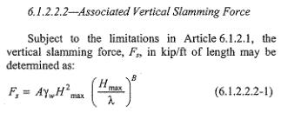

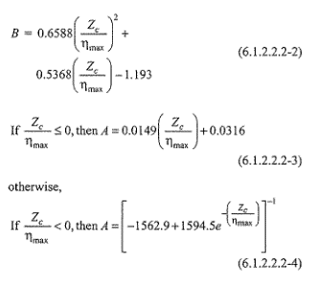
 |  | B | -0.97359632896

 |  | A | 0.036055149502

 |  | Fs | 0.67214956089 | k/ft

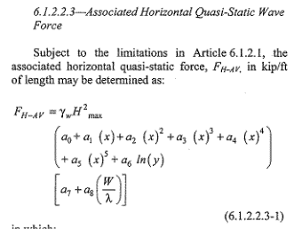

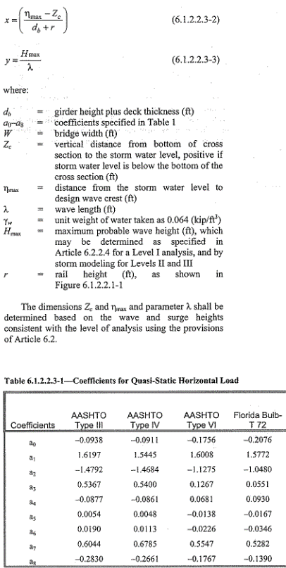
 |  | x2 | 0.25575757576 | ft

 |  | y2 | 0.058904109589 | ft

 |  | a0 | -0.0938
 |  | a1 | 1.6197
 |  | a2 | -1.4792
 |  | a3 | 0.5367
 |  | a4 | -0.0877
 |  | a5 | 0.0054
 |  | a6 | 0.019
 |  | a7 | 0.6044
 |  | a8 | -0.283

 |  | Fh-av | 0.092249598004 | k/ft

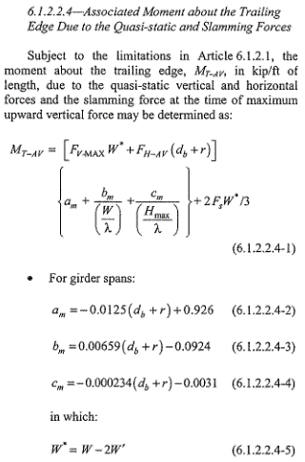

 |  | am | 0.822875

 |  | bm | -0.0380325

 |  | cm | -0.0050305

 |  | W' | 3.625 | ft

 |  | W* | 36 | ft

 |  | Mt-av | 17.301698624 | k/ft

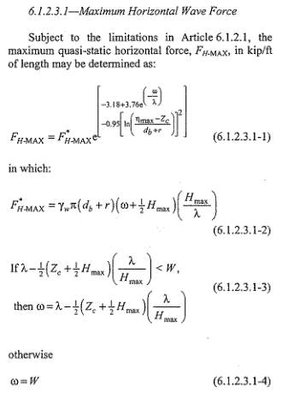

 |  | ω | 43.25

 |  | F*h-max | 4.4359357126

 |  | Fh-max | 0.2522423725 | k/ft

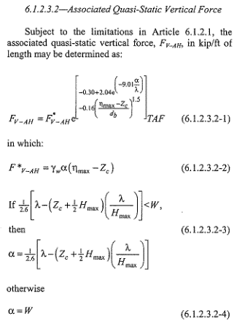

 |  | α | 8.1618962433

 |  | F*v-ah | 1.1021824687

 |  | Fv-ah | 0.37117656968 | k/ft

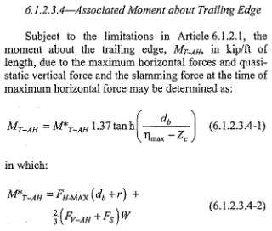

 |  | M*t-ah | 32.163569671

 |  | Mt-ah | 43.098097798 | k/ft

